Overview
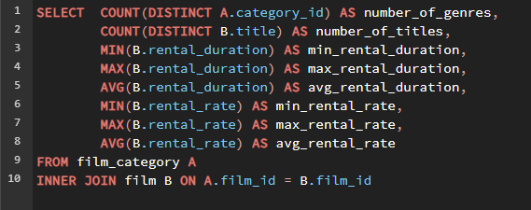
number_of_genres | number_of_titles | min_rental_duration | max_rental_duration | avg_rental_duration | min_rental_rate | max_rental_rate | avg_rental_rate
16 | 1000 | 3 | 7 | 4.982 | 0.99 | 4.99 | 2.978

Top 10 Countries
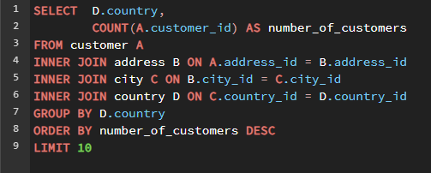
country | number_of_customers
India | 60
China | 53
United States | 36
Japan | 31
Mexico | 30
Brazil | 28
Russian Federation | 28
Philippines | 20
Turkey | 15
Indonesia | 14

Top 10 Cities
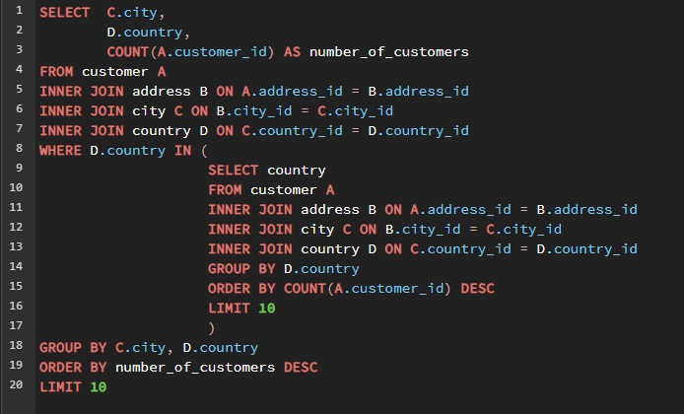
city | country | number_of_customers
Aurora | United States | 2
Atlixco | Mexico | 1
Xintai | China | 1
Adoni | India | 1
Dhule (Dhulia) | India | 1
Kurashiki | Japan | 1
Pingxiang | China | 1
Sivas | Turkey | 1
Celaya | Mexico | 1
So Leopoldo | Brazil | 1

Top Customers in Top 10 Cities
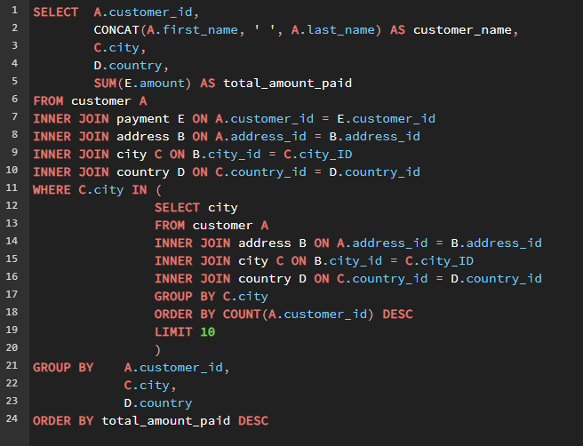
customer_id | customer_name | city | country | total_amount_paid
148 | Eleanor Hunt | Saint-Denis | Runion | 211.55
144 | Clara Shaw | Molodetno | Belarus | 189.6
566 | Casey Mena | Tokat | Turkey | 130.68
84 | Sara Perry | Atlixco | Mexico | 128.7
506 | Leslie Seward | Pontianak | Indonesia | 123.72
512 | Cecil Vines | London | United Kingdom | 115.74
131 | Monica Hicks | Mukateve | Ukraine | 112.73
537 | Clinton Buford | Aurora | United States | 98.76
476 | Derrick Bourque | Gatineau | Canada | 87.8
521 | Roland South | Yingkou | China | 80.77
330 | Scott Shelley | Aurora | United States | 60.82
252 | Mattie Hoffman | London | United Kingdom | 58.8

Top Customers Global
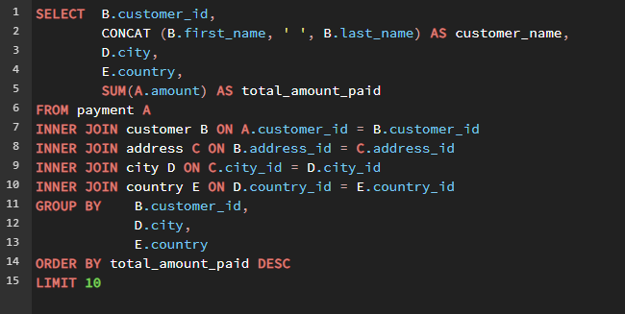
customer_id | customer_name | city | country | total_amount_paid
148 | Eleanor Hunt | Saint-Denis | Runion | $211.55
526 | Karl Seal | Cape Coral | United States | $208.58
178 | Marion Snyder | Santa Brbara dOeste | Brazil | $194.61
137 | Rhonda Kennedy | Apeldoorn | Netherlands | $191.62
144 | Clara Shaw | Molodetno | Belarus | $189.60
459 | Tommy Collazo | Qomsheh | Iran | $183.63
181 | Ana Bradley | Memphis | United States | $167.67
410 | Curtis Irby | Richmond Hill | Canada | $167.62
236 | Marcia Dean | Tanza | Philippines | $166.61
403 | Mike Way | Valparai | India | $162.67

Top Titles Best
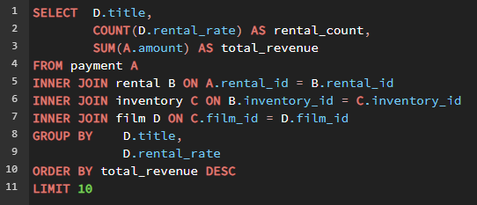
title | rental_count | total_revenue
Telegraph Voyage | 25 | 215.75
Zorro Ark | 28 | 199.72
Wife Turn | 27 | 198.73
Innocent Usual | 26 | 191.74
Hustler Party | 22 | 190.78
Saturday Lambs | 26 | 190.74
Titans Jerk | 27 | 186.73
Harry Idaho | 27 | 177.73
Torque Bound | 23 | 169.76
Dogma Family | 28 | 168.72

Top Titles Worst
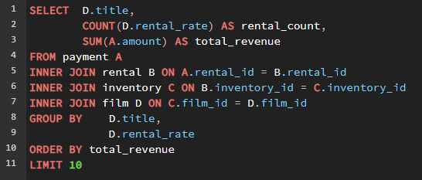
title | rental_count | total_revenue
Texas Watch | 6 | 5.94
Duffel Apocalypse | 6 | 5.94
Oklahoma Jumanji | 6 | 5.94
Freedom Cleopatra | 5 | 5.95
Rebel Airport | 7 | 6.93
Young Language | 7 | 6.93
Treatment Jekyll | 6 | 6.94
Cruelty Unforgiven | 6 | 6.94
Lights Deer | 7 | 7.93
Japanese Run | 6 | 7.94

Top Genre
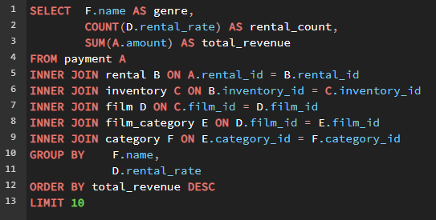
genre | rental_count | total_revenue
Drama | 433 | 2734.65
Games | 374 | 2391.26
Sports | 387 | 2363.15
Comedy | 339 | 2172.6
New | 305 | 1976.95
Foreign | 316 | 1912.84
Sci-Fi | 291 | 1874.09
Horror | 293 | 1829.07
Action | 278 | 1804.22
Travel | 311 | 1772.89

